Payslip
Sample Payslip
Company Name

Employee Name

Earnings |  | Deductions |  | Company Contributions |  | Other Information
Basic Salary |  | PAYE | - | SDL | - | Personal RA
Car Allowance |  | UIF | - | UIF | - | Other Taxable Benefits
Overtime |  | Medical Aid |  | Medical Aid |  | Retirement FB | -
Commission |  | Provident Fund |  | Provident Fund |  | Medical Tax Credit | -
Leave Payout |  | Pension Fund |  | Pension Fund |  | Medical Aid Members
Other Allowance 1 |  | Other Deduction 1 |  | Other Contribution 1 |  | Tax Age
Other Allowance 2 |  | Other Deduction 2 |  | Other Contribution 2
Other Allowance 3 |  | Other Deduction 3 |  | Other Contribution 3
Other Allowance 4 |  | Other Deduction 4 |  | Other Contribution 4
Other Allowance 5 |  | Other Deduction 5 |  | Other Contribution 5

Gross Pay | - | Total Deductions | - | Total Contributions | -

Cost of Employment | - |  |  |  |  | Net Pay | -

Comments

*These values are correct for a full month's earnings for the tax year ending 24 February 2024

Start
About this product

This product was designed as a simple tool to calculate statutory deduction and contribution values. | Tel: | (010) 595 7272
in a sample payslip format. | Email: | sales@ergonomix.co.za
The calculations are designed to determine these values for a salaried employee for one pay period.
The values calculated may vary from that calculated with a payroll system as no "Year-to-date" income
values are taken into consideration in the tax calculations.
How to use this product

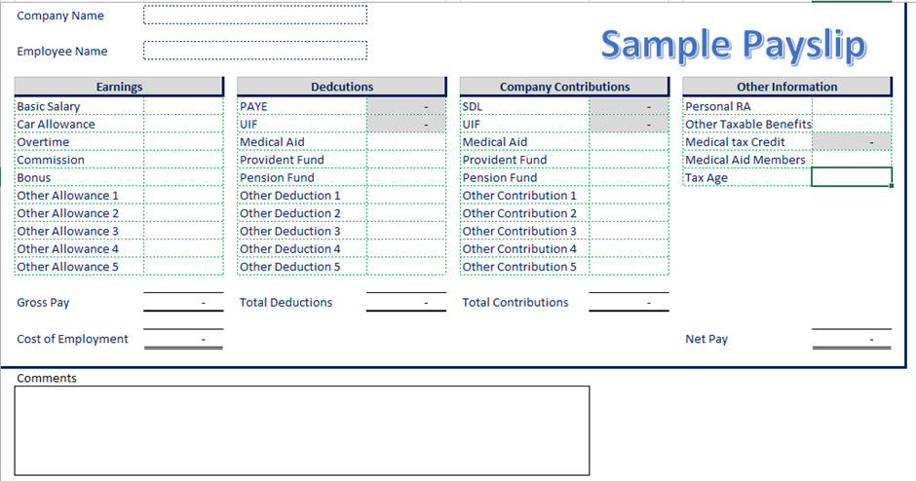
1. Click on the Payslip Tab at bottom of page (this will take you to the payslip screen)
2. Input your company name
3. Input the employee name
4. Input the values for the predefined allowances
5. Amend the names of other allowances as required
6. Input values of other taxable allowances
7. Follow steps 4,5 and 6 for deductions and contributions
8. Do not attempt to input values into the grey cells, the
system will calculate these values for you.
9. Input values for other taxable benefits
10. Input member plus dependants value for medical aid
11. Input Age of employee as at 29 Feb 2024
12. Input any comments
About Ergonomix

Ergonomix specializes in payroll administration, payroll audits and custom payroll solutions.
This is a simple example of what we can do, we can however design materially more complex
systems to assist businesses with cost to company conversions, payroll budgeting, benefit
changes, increase calculators and pro-forma payslips. Click on our logo to check out our website
to see all the services we offer.

